Sheet1
 | Airline | Booking | Champagne
Method | from_csv | read_csv | from_csv
 |  |  |  | Airline
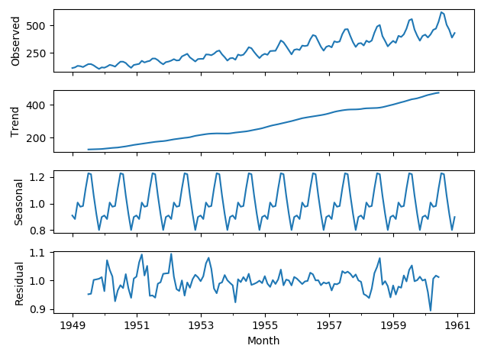
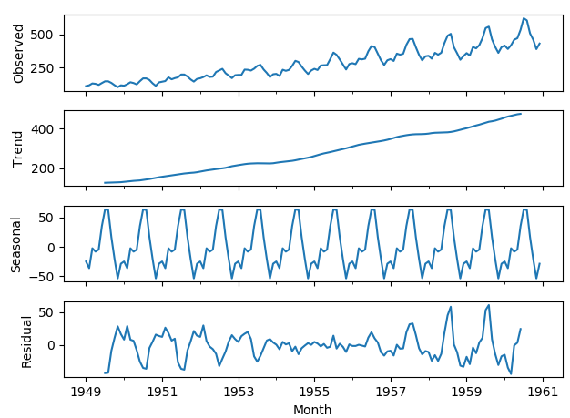

 |  |  |  | Booking
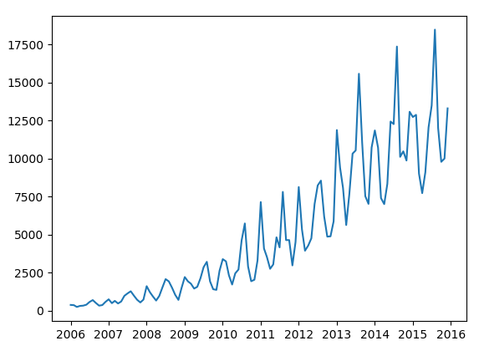

 |  |  |  | Champagne
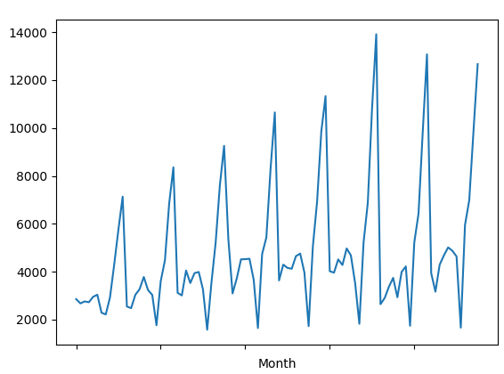

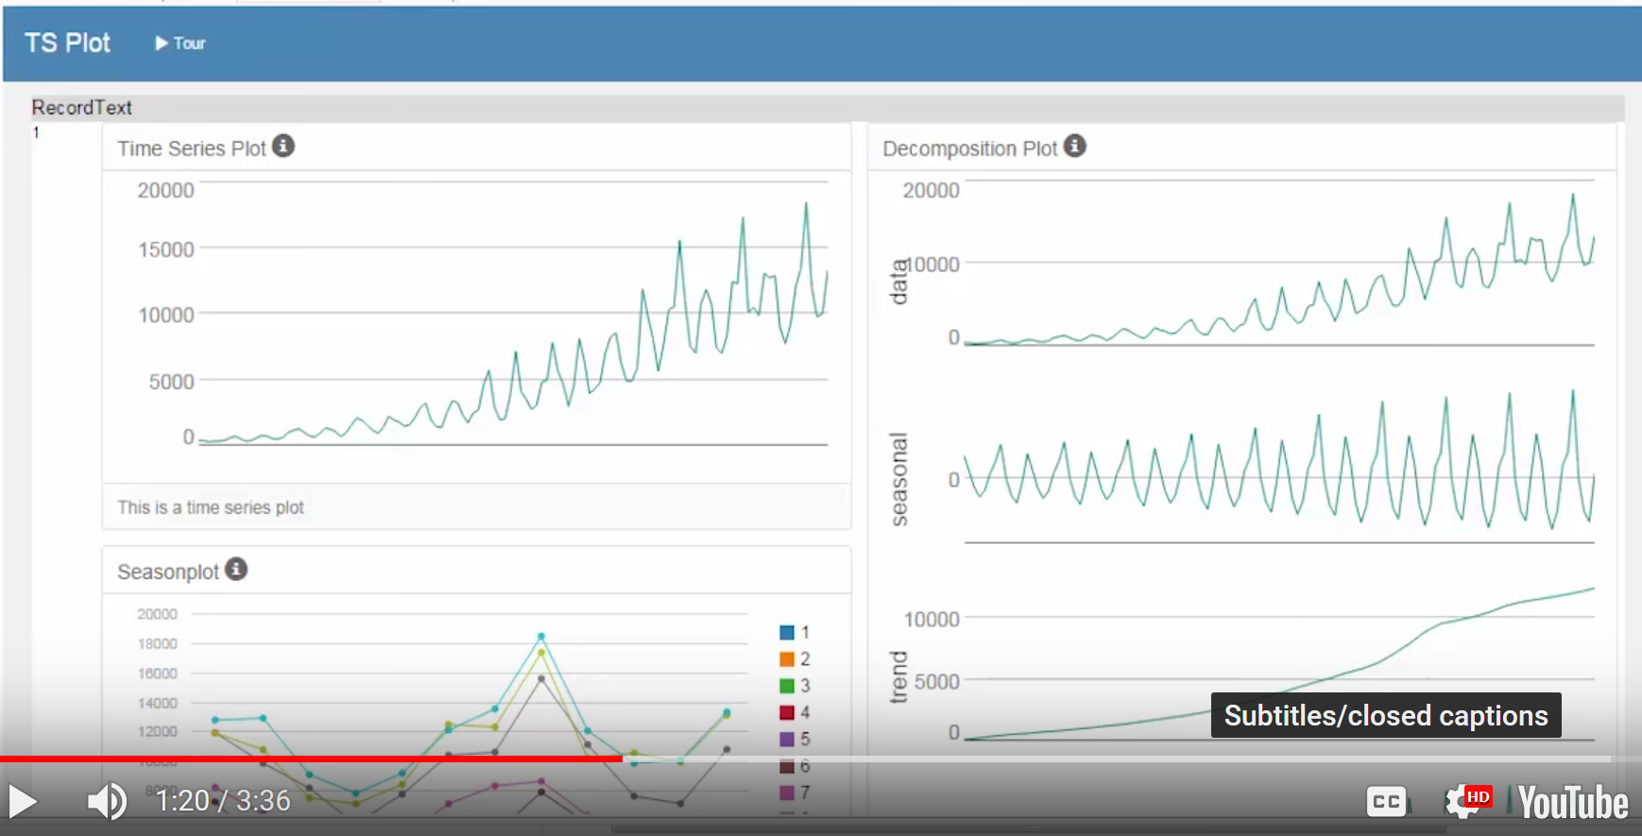
 | In the Udacity example, they filtered out the last 6 records(as holdout samples) and records starting from ID:115 not used

